data
x_axis | y_axis
2015 | 40.061538462
2016 | 40.553846154
2017 | 41.046153846
2018 | 42.030769231
2019 | 42.523076923
2020 | 43.015384615
2021 | 44
2022 | 44.492307692
2023 | 44.984615385
2024 | 45.476923077
2025 | 46.461538462
2026 | 46.953846154
2027 | 47.938461538
2028 | 48.923076923
2029 | 49.907692308
2030 | 50.4
2031 | 50.892307692
2032 | 51.876923077
2033 | 52.369230769
2034 | 53.353846154
2035 | 53.846153846
2036 | 54.338461538
2037 | 55.323076923
2038 | 55.815384615
2039 | 56.307692308
2040 | 57.292307692
2041 | 57.784615385
2042 | 58.276923077
2043 | 58.769230769
2044 | 59.261538462
2045 | 60.246153846
2046 | 60.738461538
2047 | 60.738461538
2048 | 61.230769231
2049 | 61.723076923
2050 | 62.707692308
2051 | 63.2
2052 | 63.692307692
2053 | 63.692307692
2054 | 64.184615385
2055 | 64.676923077
2056 | 65.169230769
2057 | 65.169230769
2058 | 65.661538462
2059 | 66.153846154
2060 | 66.646153846
2061 | 67.138461538
2062 | 67.138461538
2063 | 67.630769231
2064 | 68.123076923
2065 | 68.615384615
2066 | 68.615384615
2067 | 69.107692308
2068 | 69.6
2069 | 70.092307692
2070 | 70.092307692
2071 | 70.584615385
2072 | 71.076923077
2073 | 71.076923077
2074 | 71.569230769
2075 | 71.569230769
2076 | 72.061538462
2077 | 72.061538462
2078 | 72.553846154
2079 | 72.553846154
2080 | 73.046153846
2081 | 73.046153846
2082 | 73.538461538
2083 | 74.030769231
2084 | 74.523076923
2085 | 75.507692308
2086 | 76
2087 | 76.492307692
2088 | 76.984615385
2089 | 77.476923077
2090 | 77.969230769
2091 | 78.461538462
2092 | 78.953846154
2093 | 79.446153846
2094 | 79.938461538
2095 | 80.430769231
2096 | 80.923076923
2097 | 81.415384615
2098 | 81.907692308
2099 | 82.4

picture
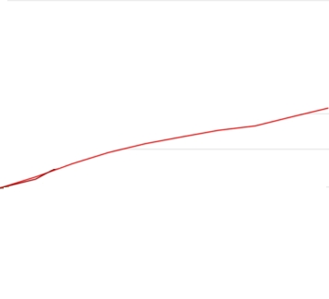

picture_original
